Sheet1
Active
Player | # | Pos | HT | WT | Age | Exp | College
 Tyson Bagent | 17 | QB | 2026-06-03 | 212 | 25 | 3 | Shepherd
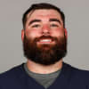 Ryan Bates | 71 | OL | 2026-06-04 | 306 | 28 | 7 | Penn State
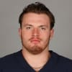 Theo Benedet | 79 | OL | 2026-06-07 | 304 | 24 | 1 | University of British Columbia
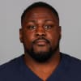 Andrew Billings | 97 | DL | 2026-06-01 | 340 | 30 | 9 | Baylor
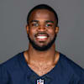 Josh Blackwell | 39 | DB | 2026-05-11 | 179 | 26 | 4 | Duke
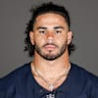 Austin Booker | 94 | DL | 2026-06-06 | 245 | 23 | 2 | Kansas
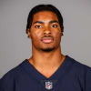 Jaquan Brisker | 9 | DB | 2026-06-01 | 204 | 26 | 4 | Penn State
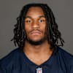 Luther Burden III | 10 | WR | Jun-00 | 210 | 22 | R | Missouri
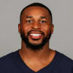 Kevin Byard III | 31 | DB | 2026-05-11 | 218 | 32 | 10 | Middle Tennessee State
 Drew Dalman | 52 | OL | 2026-06-03 | 301 | 27 | 5 | Stanford
 Scott Daly | 46 | LS | 2026-06-02 | 245 | 31 | 5 | Notre Dame
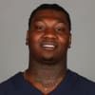 Gervon Dexter Sr. | 99 | DL | 2026-06-06 | 326 | 25 | 3 | Florida
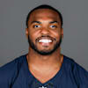 Devin Duvernay | 12 | WR | 2026-05-11 | 202 | 28 | 6 | Texas
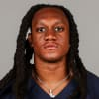 Tremaine Edmunds | 49 | LB | 2026-06-04 | 251 | 27 | 8 | Virginia Tech
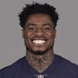 C.J. Gardner-Johnson | 35 | DB | 2026-05-11 | 210 | 28 | 7 | Florida
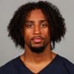 Kyler Gordon | 6 | DB | 2026-05-11 | 200 | 26 | 4 | Washington
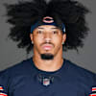 Daniel Hardy | 92 | DL | 2026-06-02 | 255 | 27 | 3 | Montana State
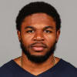 Elijah Hicks | 22 | DB | 2026-05-11 | 204 | 26 | 4 | California
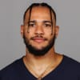 Travis Homer | 21 | RB | 2026-05-10 | 211 | 27 | 7 | Miami
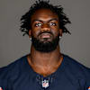 Ruben Hyppolite II | 47 | LB | Jun-00 | 236 | 24 | R | Maryland
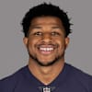 D'Marco Jackson | 48 | LB | 2026-06-01 | 233 | 27 | 4 | Appalachian State
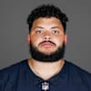 Jonah Jackson | 73 | OL | 2026-06-03 | 319 | 28 | 6 | Ohio State
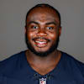 Grady Jarrett | 50 | DL | 2026-06-01 | 294 | 32 | 11 | Clemson
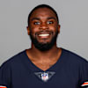 Jaylon Johnson | 1 | DB | Jun-00 | 195 | 26 | 6 | Utah
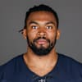 Braxton Jones | 70 | OL | 2026-06-05 | 303 | 26 | 4 | Southern Utah
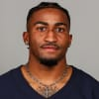 Jaylon Jones | 33 | DB | 2026-05-11 | 190 | 28 | 4 | Mississippi
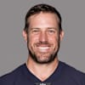 Case Keenum | 11 | QB | 2026-06-01 | 220 | 37 | 13 | Houston
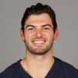 Cole Kmet | 85 | TE | 2026-06-06 | 257 | 26 | 6 | Notre Dame
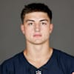 Colston Loveland | 84 | TE | 2026-06-06 | 241 | 21 | R | Michigan
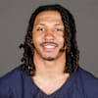 Nick McCloud | 24 | DB | 2026-06-01 | 191 | 27 | 5 | Notre Dame
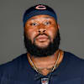 Jordan McFadden | 74 | OL | 2026-06-02 | 306 | 26 | 3 | Clemson
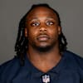 Kyle Monangai | 25 | RB | 2026-05-08 | 207 | 23 | R | Rutgers
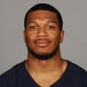 DJ Moore | 2 | WR | Jun-00 | 213 | 28 | 8 | Maryland
 Luke Newman | 65 | OL | 2026-06-03 | 308 | 23 | R | Michigan State
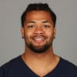 Rome Odunze | 15 | WR | 2026-06-03 | 214 | 23 | 2 | Washington
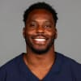 Amen Ogbongbemiga | 45 | LB | 2026-06-01 | 226 | 27 | 5 | Oklahoma State
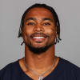 Jonathan Owens | 36 | DB | 2026-05-11 | 204 | 30 | 7 | Missouri Western
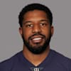 Jalen Reeves-Maybin | 16 | LB | Jun-00 | 230 | 30 | 9 | Tennessee
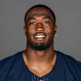 Dominique Robinson | 90 | DL | 2026-06-05 | 275 | 27 | 4 | Miami (Ohio)
 Cairo Santos | 8 | K | 2026-05-08 | 173 | 34 | 12 | Tulane
 Durham Smythe | 81 | TE | 2026-06-05 | 248 | 30 | 8 | Notre Dame
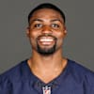 Tyrique Stevenson | 29 | DB | Jun-00 | 212 | 25 | 3 | Miami
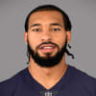 Montez Sweat | 98 | DL | 2026-06-06 | 270 | 29 | 7 | Mississippi State
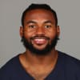 D'Andre Swift | 4 | RB | 2026-05-08 | 204 | 27 | 6 | Georgia
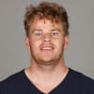 Tory Taylor | 19 | P | 2026-06-04 | 225 | 28 | 2 | Iowa
 Joe Thuney | 62 | OL | 6-4=5 | 301 | 33 | 10 | N.C. State
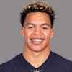 Joe Tryon-Shoyinka | 93 | DL | 2026-06-05 | 259 | 26 | 5 | Washington
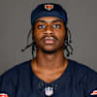 Jahdae Walker | 20 | WR | 2026-06-03 | 206 | 23 | R | Texas A&M
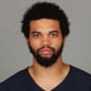 Caleb Williams | 18 | QB | 2026-06-01 | 226 | 24 | 2 | USC
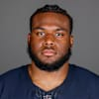 Chris Williams | 91 | DL | 2026-06-02 | 298 | 27 | 4 | Wagner
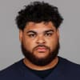 Darnell Wright | 58 | OL | 2026-06-05 | 325 | 24 | 3 | Tennessee
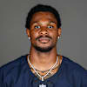 Nahshon Wright | 26 | DB | 2026-06-04 | 199 | 27 | 5 | Oregon State
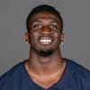 Olamide Zaccheaus | 14 | WR | 2026-05-08 | 199 | 28 | 7 | Virginia
Reserve/Future
Player | # | Pos | HT | WT | Age | Exp | College
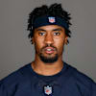 Maurice Alexander | 13 | WR | 2026-05-10 | 173 | 29 | 1 | Florida International
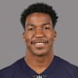 Brittain Brown | 38 | RB | 2026-06-01 | 205 | 28 | 3 | UCLA
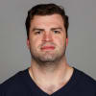 Stephen Carlson | 88 | TE | 2026-06-04 | 248 | 29 | 4 | Princeton
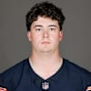 Luke Elkin | 43 | LS | 2026-06-01 | 235 | 23 | R | Iowa
 Dallis Flowers | 37 | DB | 2026-06-01 | 196 | 28 | 4 | Pittsburg State (KS)
 Jonathan Garvin | 57 | DL | 2026-06-04 | 257 | 26 | 4 | Miami
 Dominique Hampton |  | LB | 2026-06-03 | 220 | 25 | 2 | Washington
 Kyle Hergel | 60 | OL | 2026-06-02 | 315 | 26 | 2 | Boston College
 Qadir Ismail | 80 | TE | 2026-06-06 | 232 | 25 | 1 | Samford
 Nikola Kalinic | 86 | TE | 2026-06-04 | 245 | 29 | 2 | York
 Dontae Manning | 27 | DB | 2026-05-10 | 190 | 24 | R | Oregon
 Jeremiah Martin | 69 | DL | 2026-06-04 | 267 | 25 | 1 | Washington
 Gervarrius Owens | 30 | DB | Jun-00 | 200 | 26 | 2 | Houston
 JP Richardson | 83 | WR | 2026-05-11 | 192 | 23 | R | TCU
 Nephi Sewell | 96 | LB | Jun-00 | 228 | 27 | 3 | Utah
Reserve/Injured
Player | # | Pos | HT | WT | Age | Exp | College
 Kiran Amegadjie | 72 | OL | 2026-06-05 | 326 | 23 | 2 | Yale
 T.J. Edwards | 53 | LB | Jun-00 | 228 | 29 | 7 | Wisconsin
 Deion Hankins | 35 | RB | 2026-05-11 | 226 | 25 | R | Texas State-San Marcos
 Roschon Johnson | 23 | RB | Jun-00 | 227 | 24 | 3 | Texas
 Dayo Odeyingbo | 55 | DL | 2026-06-05 | 282 | 26 | 5 | Vanderbilt
 Noah Sewell | 44 | LB | 2026-06-01 | 246 | 23 | 3 | Oregon
 Terell Smith | 32 | DB | Jun-00 | 204 | 26 | 3 | Minnesota
 Ozzy Trapilo | 75 | OL | 2026-06-08 | 312 | 24 | R | Boston College
 Shemar Turner | 95 | DL | 2026-06-03 | 293 | 23 | R | Texas A&M
Reserve/Non-Football Injury
Player | # | Pos | HT | WT | Age | Exp | College
 Zah Frazier | 35 | DB | 2026-06-03 | 186 | 25 | R | Texas-San Antonio

